Sample Worksheet
Image | Range Name | Grade | Stock Code | Gender | RRP | Price | SPECIAL | Size Code | Total Free Stock | 6 | 6.5 | 7 | 7.5 | 8 | 8.5 | 9 | 9.5 | 10 | 11
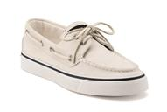 | SPERRY BAHAMA | A | 9447186 | W | £70.00 | £16.95 | £12.95 | USA | 976 | 150 | 178 | 39 | 127 | 128 | 33 | 133 | 62 | 126
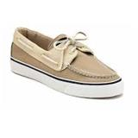 | SPERRY BAHAMA | A | 9688664 | W | £70.00 | £16.95 | £12.95 | USA | 637 | 100 | 121 | 6 | 75 | 68 | 48 | 93 | 30 | 94 | 2
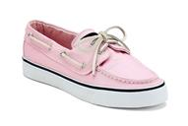 | SPERRY BAHAMA | A | 9688680 | W | £70.00 | £16.95 | £12.95 | USA | 1412 | 187 | 225 | 122 | 165 | 172 | 105 | 190 | 79 | 167
 |  |  | Totals |  |  |  |  |  | 3025 | 437 | 524 | 167 | 367 | 368 | 186 | 416 | 171 | 387 | 2

